Sheet1
 | Rotation
 | Scale
 | Translate
 | Camera/Viewing
 | Projection
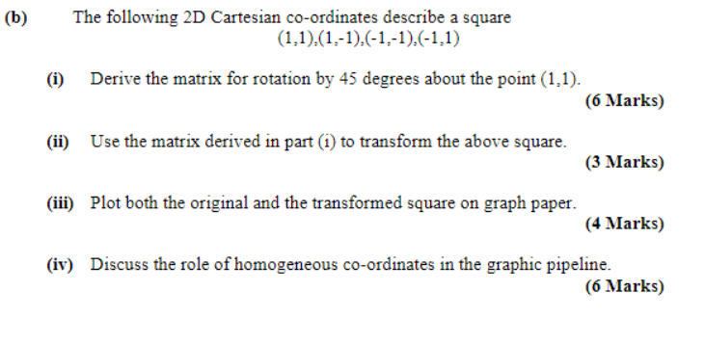

 | Transform |  |  | Point
 | a | b | c | x
 | d | e | f | y
 | g | h | i | 1

(i) | Step 1
 | Move | ( | 1 | , | 1 | ) | to | ( | 0 | , | 0 | )

 |  | 1 | 0 | -1
 |  | 0 | 1 | -1
 |  | 0 | 0 | 1

 | Step 2
 | Rotate by | 45 | degrees | = | 0.7853981634 | radians

 | Cos(theta) | Sin(theta) | 0 |  | 0.70710678119 | 0.70710678119 | 0
 | -SIN(theta) | Cos(theta) | 0 | = | -0.70710678119 | 0.70710678119 | 0
 | 0 | 0 | 1 |  | 0 | 0 | 1

 | Step 3
 | Move | ( | 0 | , | 0 | ) | to | ( | 1 | , | 1 | )

 |  | 1 | 0 | 1
 |  | 0 | 1 | 1
 |  | 0 | 0 | 1
 | Step 3 |  |  | Step 2 |  |  | Step 1
1 | 0 | 1 | 0.70710678119 | 0.70710678119 | 0 | 1 | 0 | -1 | x
0 | 1 | 1 | -0.70710678119 | 0.70710678119 | 0 | 0 | 1 | -1 | y
0 | 0 | 1 | 0 | 0 | 1 | 0 | 0 | 1 | 1

 | 0.70710678119 | 0.70710678119 | 1 |  | 1 | 0 | -1
 | -0.70710678119 | 0.70710678119 | 1 | * | 0 | 1 | -1
 | 0 | 0 | 1 |  | 0 | 0 | 1

 |  |  | 0.70710678119 | 0.70710678119 | -0.41421356237
 |  | = | -0.70710678119 | 0.70710678119 | 1
 |  |  | 0 | 0 | 1

(ii)
 | Primitive |  | 1 | 1 | -1 | -1
 |  |  | 1 | -1 | -1 | 1
 |  |  | 1 | 1 | 1 | 1

 | New Coords | x | 1 | -0.41421356237 | -1.8284271247 | -0.41421356237
 |  | y | 1 | -0.41421356237 | 1 | 2.4142135624
 |  | 1 | 1 | 1 | 1 | 1
1 | 1
1 | -1
-1 | -1
-1 | 1
1 | 1
-0.41421356237 | -0.41421356237
-1.8284271247 | 1
-0.41421356237 | 2.4142135624
All Points |  | 1 | 1 | 1
 |  | 1 | -1 | 1
 |  | -1 | -1 | 1
 |  | -1 | 1 | 1

 |  | 1 | 1 | 1
 |  | -0.41421356237 | -0.41421356237 | 1
 |  | -1.8284271247 | 1 | 1
 |  | -0.41421356237 | 2.4142135624 | 1

(iv) | (x,y,z) | -> | (x,y,z,1) | or | (wx,wy,wz,w)

 | Allows us to describe translations as a matrix

 | Projection
Want this | (x,y,z,1) | -> | (x/-z, y/-z,-1,*) |  | but this cannot be done using matrices

So we instead use the last term as a pseudo denominator/divisor

 | (x,y,z,1) | -> | (x,y,z,-z)

